Sign Request
SIGNAGE REQUESTS
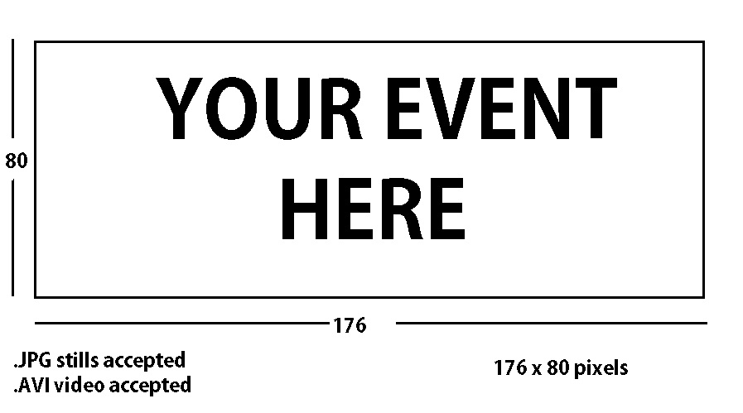

CAMERON STREET ELECTRONIC MESSAGE BOARD
PLEASE PROVIDE YOUR MESSAGE TO APPEAR ON SIGN.
TAQABBAL ALLAHU MINNA WA MINKUM

EXPO HALL NORTHWEST ENTRANCE MESSAGE BOARD
PLEASE PROVIDE YOUR MESSAGE TO APPEAR ON SIGN. (LIMITED MESSAGING AVAILABLE)
EID MUBARAK!!

